SDT DevTeam Queries
SNo. | Queries | Ownership | Comments from Infrastructure team
1 | Need the below details on the parameters that are monitored on the SDT appointment booking servers: 1)How many CPU cores are used in the SDT Booking servers? 2)Currently, how is the SDT Application tool monitored? Can we get access to this monitoring tool and also the reports that it generates? 3)Please provide SDT Booking server's CPU utilization information. 4)Please provide information of the servers where SDT is hosted. 5)What is the policy on the load balancer e.g. round robin or other? 6)What is the difference in utilisation for each server? 7)What are the Availability zones present in the production servers currently? | Infrastructure team | 1) 4 CPU's for each VM [UG]: OK 2)[UG]: Not answered 3) Provided the current CPU detailed screenshots for both the servers [UG]: OK 4) Application deployment path in the server : D:\webTech\inetpub\wwwroot\SDT Booking on following servers 63920-8205-1.MGMT.CLOUD.DS.GE.COM / 63920-8206-1.MGMT.CLOUD.DS.GE.COM [UG]: Require server configuration details 5) Round Robin [UG]: OK 6) CPU and memory utilization of the each server can be identified from the attached screen shots [UG]: OK 7) UTC [UG]: Require more details | 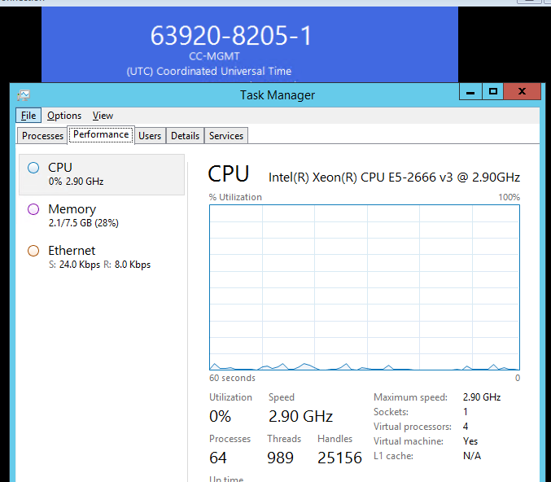
2 | Can we access the IIS logs in the SDT Booking servers to understand how the load is balanced between the servers. | Infrastructure team | Yes, Our team will provide the logs. Please open a SN request to web team [UG]: OK
3 | Requesting access to the web servers in the development and stage environments. This would help the development team to access logs which would reduce the dependency on the infrastructure team,in turn reducing the turnaround time. | Infrastructure team | Server access can be provided to your cc-mgmt account, if you have (Please share your account details along with the group details). For more information on getting access please refer to below link https://devcloud.swcoe.ge.com/devspace/display/VCVGV/Cloud+Access+Guide [UG]: OK will get back in case of any queries.
4 | Require information on when Backup processes and Anti virus updates are run on the server. | Infrastructure team | snapshot Backup will be taken every day and will have 45 days backup at any given point of time [UG]: Require more details on anti virus updates and backup processes.
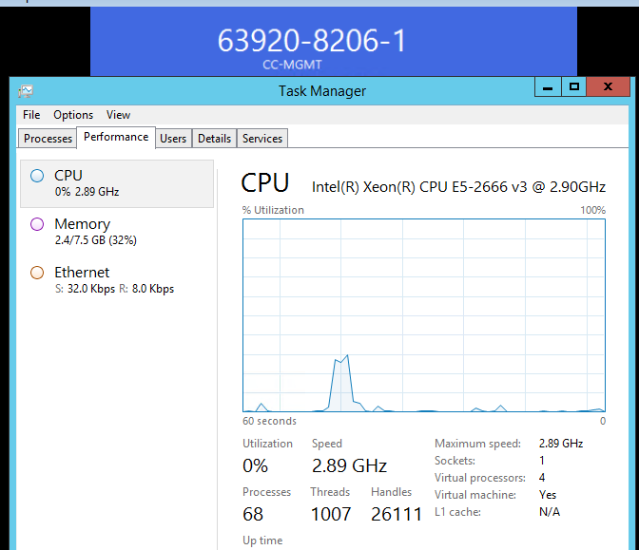
5 | Require information on when patches are installed in the servers.How do we get notified about the patch installation? | Infrastructure team | To receive monthly reminder emails which are sent the week before production patching events, add yourself to this community distribution list: @HEALTH IT Cloud Server Patching Communications 1. Copy DL name, 2. Click this link, 3. Paste DL name into search field, 4. Select Join [UG]: We would be adding ourselves to the group but we would require more details on patch installations.
6 | Require information on the domain policy configured in the server. | Infrastructure team | Please provide more information on this requirement. [UG]:Require details on Round Robin policy configuration done on the servers.
7 | Is there any tool currently present in the production environment which is used to measure latency between SDT application the Click Servers? | Infrastructure team | Nope, Network team should help provide that information [UG]:Will check on this.

